lte_l1_dl_throughput_all_carri
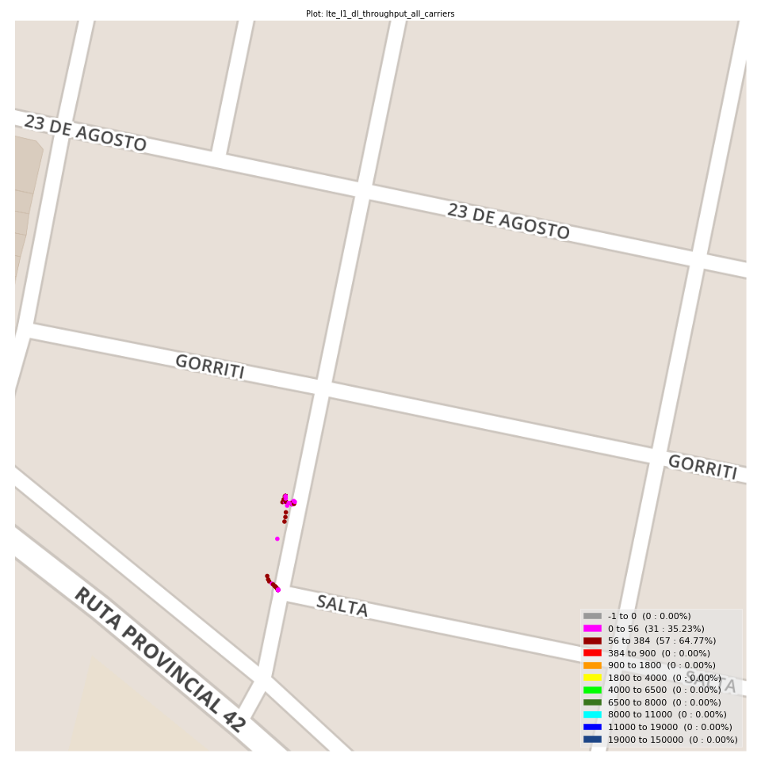
lte_l1_dl_throughput_all_carriers Report

Sampling Distribution Histogram
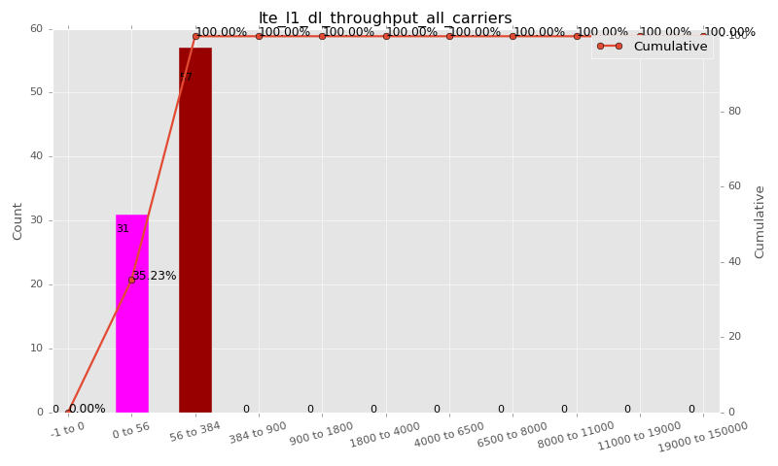

Sampling Distribution Table (first 10 ranges)
ColorXml | Lower | Upper | N Samples | Range | % | Cumulative %
 | -1 | 0 | 0 | -1 to 0 | 0.00 | 0.00
 | 0 | 56 | 31 | 0 to 56 | 35.23 | 35.23
 | 56 | 384 | 57 | 56 to 384 | 64.77 | 100.00
 | 384 | 900 | 0 | 384 to 900 | 0.00 | 100.00
 | 900 | 1800 | 0 | 900 to 1800 | 0.00 | 100.00
 | 1800 | 4000 | 0 | 1800 to 4000 | 0.00 | 100.00
 | 4000 | 6500 | 0 | 4000 to 6500 | 0.00 | 100.00
 | 6500 | 8000 | 0 | 6500 to 8000 | 0.00 | 100.00
 | 8000 | 11000 | 0 | 8000 to 11000 | 0.00 | 100.00
 | 11000 | 19000 | 0 | 11000 to 19000 | 0.00 | 100.00

Basic statistics
N | 88
Mean | 95.27
SD | 73.94
MAX | 296.00
Median | 80.00
Min | 3.23

Geographical Plot

lte_inst_rsrp_1
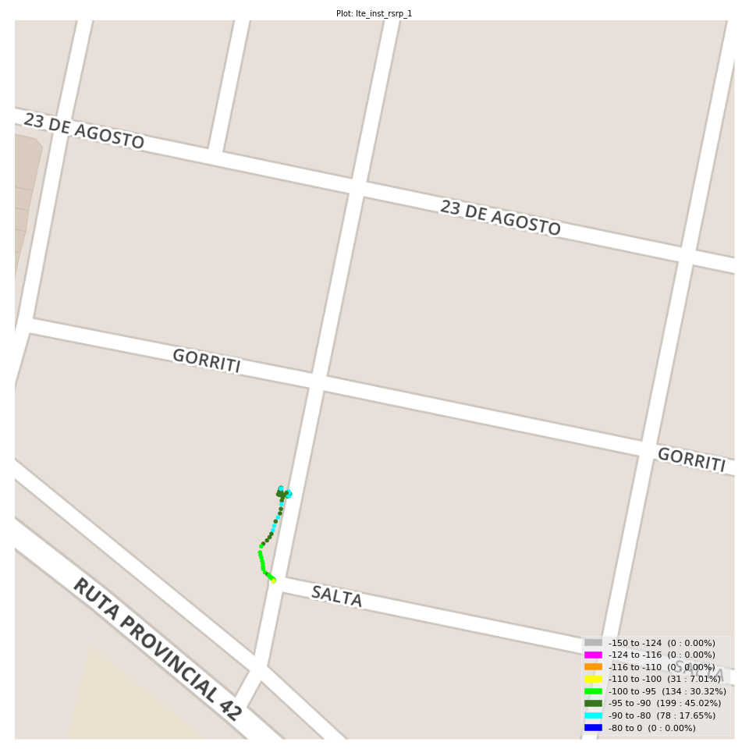
lte_inst_rsrp_1 Report

Sampling Distribution Histogram
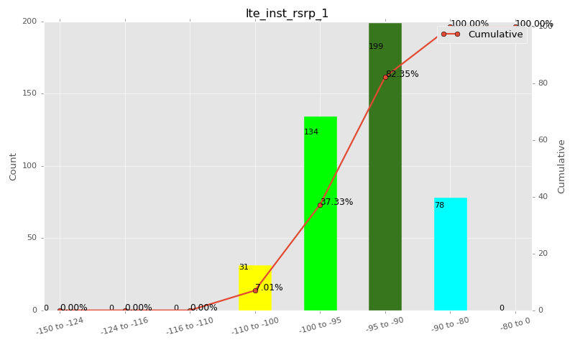

Sampling Distribution Table (first 10 ranges)
ColorXml | Lower | Upper | N Samples | Range | % | Cumulative %
 | -150 | -124 | 0 | -150 to -124 | 0.00 | 0.00
 | -124 | -116 | 0 | -124 to -116 | 0.00 | 0.00
 | -116 | -110 | 0 | -116 to -110 | 0.00 | 0.00
 | -110 | -100 | 31 | -110 to -100 | 7.01 | 7.01
 | -100 | -95 | 134 | -100 to -95 | 30.32 | 37.33
 | -95 | -90 | 199 | -95 to -90 | 45.02 | 82.35
 | -90 | -80 | 78 | -90 to -80 | 17.65 | 100.00
 | -80 | 0 | 0 | -80 to 0 | 0.00 | 100.00

Basic statistics
N | 442
Mean | -93.70
SD | 4.24
MAX | -82.56
Median | -93.15
Min | -102.79

Geographical Plot

lte_inst_rsrq_1
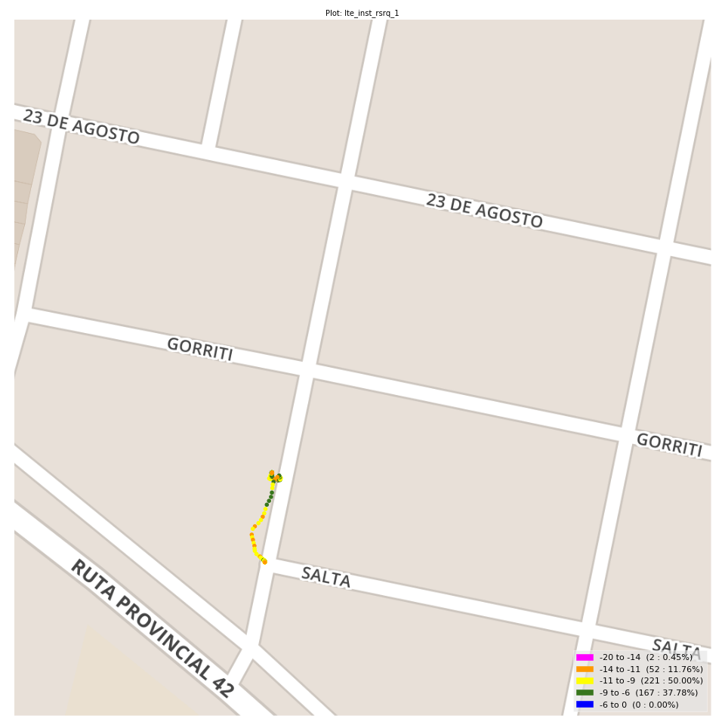
lte_inst_rsrq_1 Report

Sampling Distribution Histogram
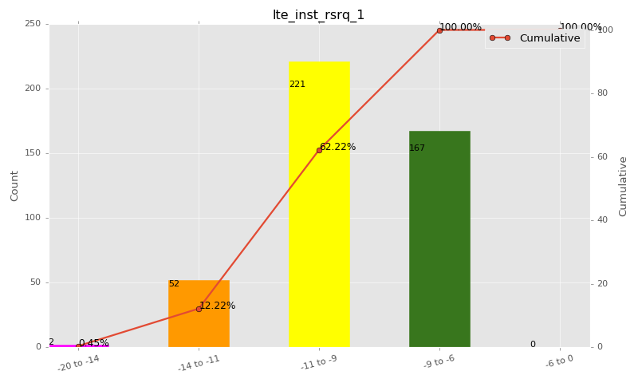

Sampling Distribution Table (first 10 ranges)
ColorXml | Lower | Upper | N Samples | Range | % | Cumulative %
 | -20 | -14 | 2 | -20 to -14 | 0.45 | 0.45
 | -14 | -11 | 52 | -14 to -11 | 11.76 | 12.22
 | -11 | -9 | 221 | -11 to -9 | 50.00 | 62.22
 | -9 | -6 | 167 | -9 to -6 | 37.78 | 100.00
 | -6 | 0 | 0 | -6 to 0 | 0.00 | 100.00

Basic statistics
N | 442
Mean | -9.49
SD | 1.35
MAX | -6.12
Median | -9.44
Min | -15.19

Geographical Plot

lte_inst_rssi_1
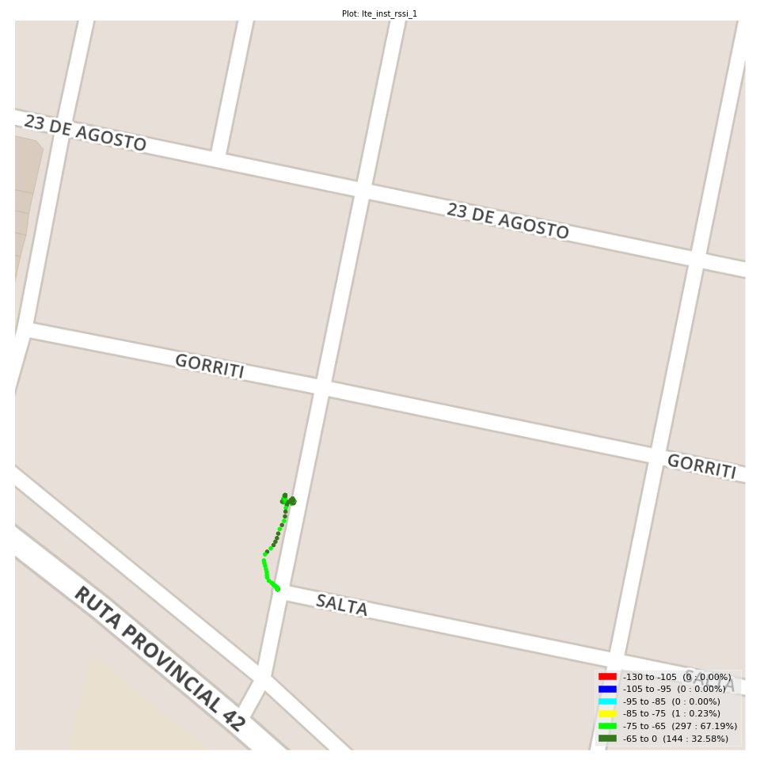
lte_inst_rssi_1 Report

Sampling Distribution Histogram
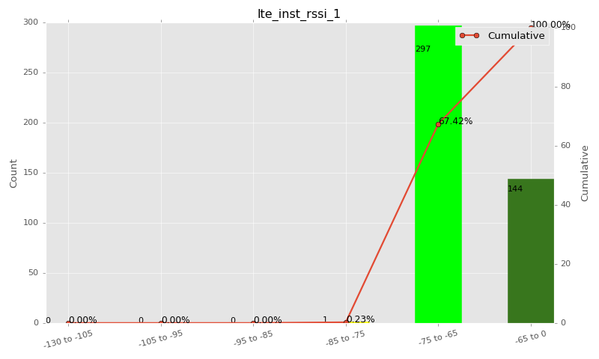

Sampling Distribution Table (first 10 ranges)
ColorXml | Lower | Upper | N Samples | Range | % | Cumulative %
 | -130 | -105 | 0 | -130 to -105 | 0.00 | 0.00
 | -105 | -95 | 0 | -105 to -95 | 0.00 | 0.00
 | -95 | -85 | 0 | -95 to -85 | 0.00 | 0.00
 | -85 | -75 | 1 | -85 to -75 | 0.23 | 0.23
 | -75 | -65 | 297 | -75 to -65 | 67.19 | 67.42
 | -65 | 0 | 144 | -65 to 0 | 32.58 | 100.00

Basic statistics
N | 442
Mean | -66.76
SD | 3.82
MAX | -57.88
Median | -66.75
Min | -75.06

Geographical Plot

lte_sinr_rx0_1
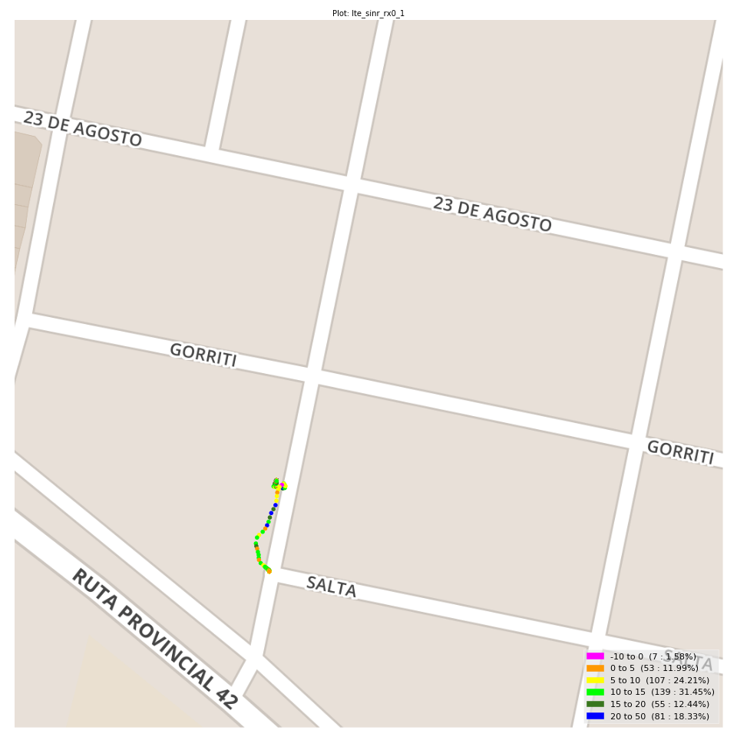
lte_sinr_rx0_1 Report

Sampling Distribution Histogram
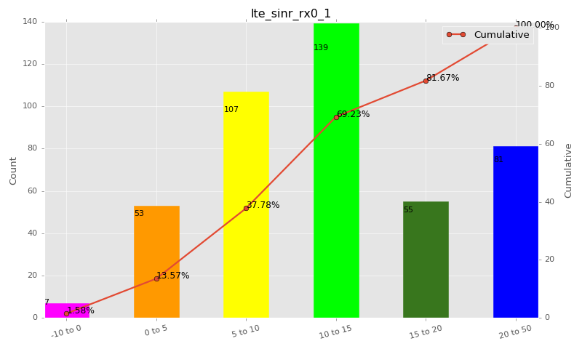

Sampling Distribution Table (first 10 ranges)
ColorXml | Lower | Upper | N Samples | Range | % | Cumulative %
 | -10 | 0 | 7 | -10 to 0 | 1.58 | 1.58
 | 0 | 5 | 53 | 0 to 5 | 11.99 | 13.57
 | 5 | 10 | 107 | 5 to 10 | 24.21 | 37.78
 | 10 | 15 | 139 | 10 to 15 | 31.45 | 69.23
 | 15 | 20 | 55 | 15 to 20 | 12.44 | 81.67
 | 20 | 50 | 81 | 20 to 50 | 18.33 | 100.00

Basic statistics
N | 442
Mean | 13.11
SD | 7.97
MAX | 30.00
Median | 11.70
Min | -3.50

Geographical Plot

lte_sinr_rx1_1

lte_sinr_rx1_1 Report

Sampling Distribution Histogram
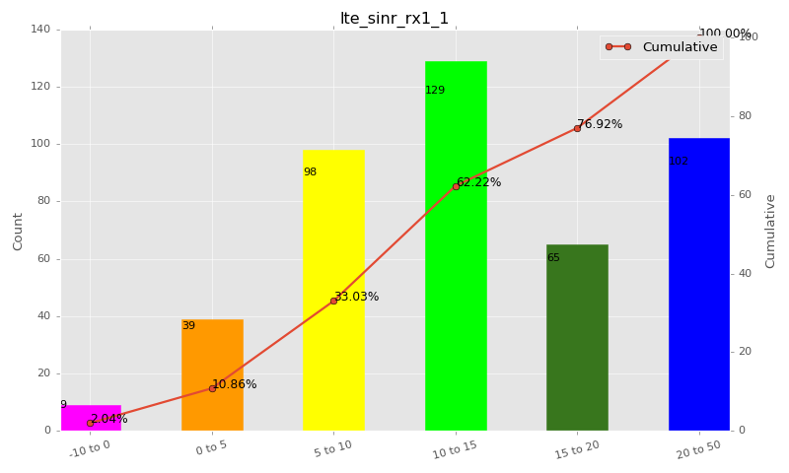

Sampling Distribution Table (first 10 ranges)
ColorXml | Lower | Upper | N Samples | Range | % | Cumulative %
 | -10 | 0 | 9 | -10 to 0 | 2.04 | 2.04
 | 0 | 5 | 39 | 0 to 5 | 8.82 | 10.86
 | 5 | 10 | 98 | 5 to 10 | 22.17 | 33.03
 | 10 | 15 | 129 | 10 to 15 | 29.19 | 62.22
 | 15 | 20 | 65 | 15 to 20 | 14.71 | 76.92
 | 20 | 50 | 102 | 20 to 50 | 23.08 | 100.00

Basic statistics
N | 442
Mean | 14.14
SD | 8.01
MAX | 30.00
Median | 12.48
Min | -2.50

Geographical Plot

lte_physical_cell_id_1
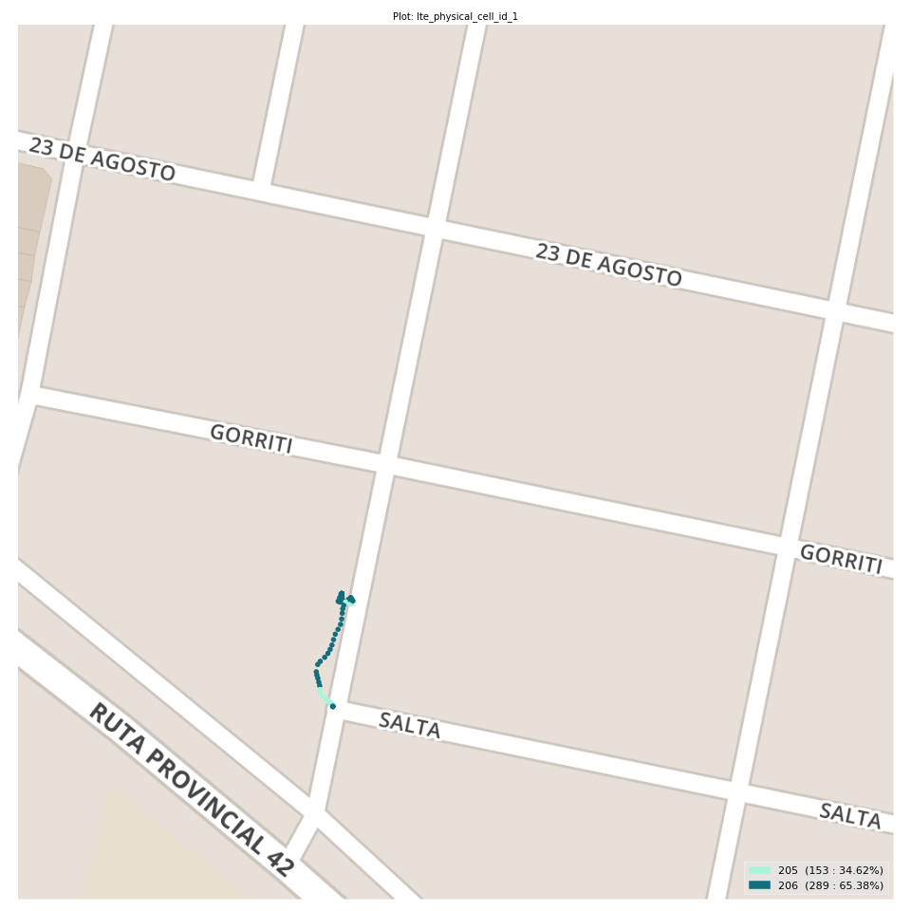
lte_physical_cell_id_1 Report

Sampling Distribution Histogram
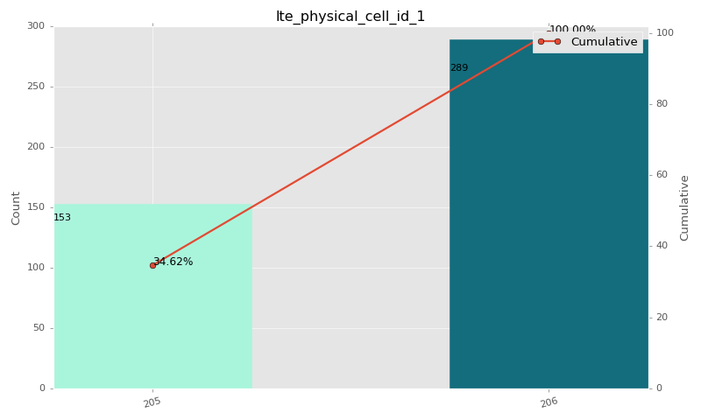

Sampling Distribution Table (first 10 ranges)
ColorXml | Lower | Upper | match_value | N Samples | Range | % | Cumulative %
 |  |  | 205 | 153 |  | 34.62 | 34.62
 |  |  | 206 | 289 |  | 65.38 | 100.00

Basic statistics
N | 442
Mean | N/A (id-type column: lte_physical_cell_id_1)
SD | N/A (id-type column: lte_physical_cell_id_1)
MAX | N/A (id-type column: lte_physical_cell_id_1)
Median | N/A (id-type column: lte_physical_cell_id_1)
Min | N/A (id-type column: lte_physical_cell_id_1)

Geographical Plot

lte_earfcn_1
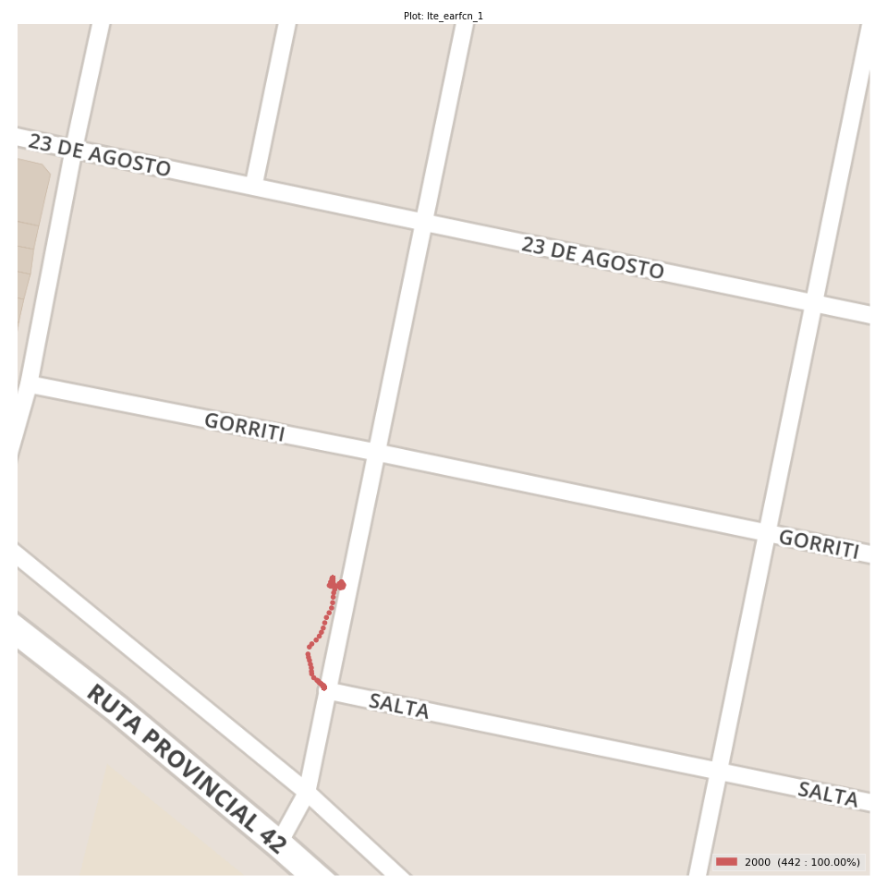
lte_earfcn_1 Report

Sampling Distribution Histogram
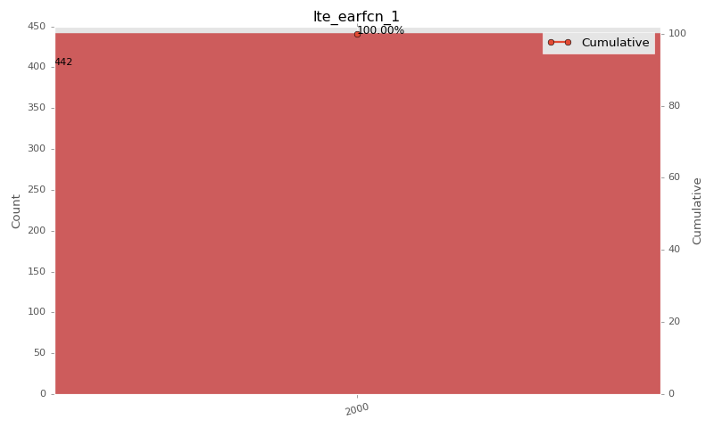

Sampling Distribution Table (first 10 ranges)
ColorXml | Lower | Upper | match_value | N Samples | Range | % | Cumulative %
 |  |  | 2000 | 442 |  | 100.00 | 100.00

Basic statistics
N | 442
Mean | N/A (id-type column: lte_earfcn_1)
SD | N/A (id-type column: lte_earfcn_1)
MAX | N/A (id-type column: lte_earfcn_1)
Median | N/A (id-type column: lte_earfcn_1)
Min | N/A (id-type column: lte_earfcn_1)

Geographical Plot

